Cycle
CYCLE RISK ASSESSMENT

Complete both Section 1 (general hazards that apply to the whole cycle course) and Section 2 (route-specific hazards found along the cycle course)
British Triathlon Guide to Cycle Course Design for Events Taking Place on the Public Highway

Course Overview: provide a brief description of the cycle route(s) and link to route maps if available
Course is 2 laps of approx 4.3km loop from Tockington out towards Olveston, then looping through lanes and minor roads anticlockwise back to Tockington. Marshals are stationed at the 2 right turns (9.3km and 10km) and also at the left turn approx half way (Tockington Green). A turn by turn breakdown of the course is given lower down on this page.

Section 1 - Detail general hazard that apply to the whole cycle course

HAZARD IDENTIFICATION |  |  |  |  | Who is affected? |  | Risk Level |  | RISK MITIGATION
Description of hazard/risk |  |  |  |  | Competitors / Marshals / Spectators / Other Road Users |  | High / Medium / Low |  | Description of controls to reduce the risk to as low as reasonably practicable |  |  |  | Initials
Interaction with other users - vehicles, horse riders, pedestrians, non-event cyclists |  |  |  |  | Competitors, spectators, marshals, other road users |  | MEDIUM |  | All required agencies, landowners and stakeholders along route notified. Advance notification signage displayed as agencies require. Cycle course to be clearly signed for awareness of other road users.Local equestrian community contacted via Cath Laity 2 weeks prior to event (they are also sent race dates at beginning of year) so that by mutual agreement local stables start their rides after the cyclists from our event have passed through (sweep vehicle driver confirms last rider has passed). |  |  |  | GC
Road defects e.g. potholes, poor surface |  |  |  |  | Competitors |  | MEDIUM |  | Report defects to local highways for repair, provide additional warning signage, highlight with spray paint. COURSE CHECKED ON MORNING OF RACE AND ANY ISSUES DETAILED IN PRE RACE BRIEFING. Significant potholes marked with orange temp marking paint. |  |  |  | GC
Competitors unfamiliar with cycling regulations |  |  |  |  | Competitors, other road users |  | MEDIUM |  | Competitors to adhere to Highway Code/relevant traffic laws. Event run under British Triathlon Competition Rules. Links to information provided in advance and all athletes required to check BTF competition rules and highway code. |  |  |  | GC
Competitors unfamiliar with route |  |  |  |  | Competitors |  | low |  | Cycle route to be made available to competitors in advance. Cycle course to be clearly signed for competitors and key points identified in pre-race briefing. Sweep vehicle containing first aider to follow last competitor home. Cycle route checked immediately prior to event in case any signs have been moved or tampered with - signage corrected if necessary. |  |  |  | GC
Marshals on course |  |  |  |  | Competitors, marshals, other road users |  | low |  | Marshals to be briefed before being stationed on course (experienced marshal crew have overseen 15+ races on this course and are briefed via email/whatsapp/phone call prior to event). Marshals to wear hi-viz clothing and have radio/phone contact with event HQ. Marshals to be provided with whistles and flags where required. Marshals to only inform competitors and not direct traffic unless permission received and appropriate qualification held, or in an emergency situation. |  |  |  | GC

Section 2 - Detail route specific hazards that are found along the cycle course (turn-by-turn risk assessment)

When risk assessing the cycle course the main hazards to consider include:
• Turns and junctions – right turns should be avoided as far as possible unless the road is closed to other traffic
• Blind bends, particularly on narrow roads where there is the potential for cyclists to stray onto the opposite carriageway should be avoided as far as possible
• All junctions, sharp bends, hill crests, bridges, traffic calming measures, roundabouts/mini-roundabouts, pedestrian crossings, traffic signals
• Hazards created by the position or movement of other road users (e.g. parked cars, the potential for a build up of traffic turning into a retail park or garden centre)
• Hazards caused by changes to the road surface or variations in the road surface e.g. raised manhole cover, potholes, gravel on corners
• Changes to road width
• Weather – either very cold (especially after pool swim) or very hot, leaf fall, soggy ground

Common safety measures to mitigate the risks posed by the above hazards are:
• Signage for both competitors and other road users, both on the day in advance of the event
• Marshals (possibly with whistle and/or red flag to highlight particular hazards) to interact with competitors only, unless holding the required qualifications to manage traffic
• Marking of potholes, sweep of gravel
• Foot-down point to bring competitors to a stop before proceeding
• Competitor pre-race information and briefing

HAZARD IDENTIFICATION |  |  |  |  |  | Who is affected? |  | Level |  | RISK MITIGATION
ID# | Applies to which race? | km from start | Symbol | Description of hazard detail junction/road name/number |  | Competitors / Spectators / Marshals / Other Road Users |  | High / Medium / Low |  | Description of controls to reduce the risk to as low as possible e.g. briefing, signage, foot down point | Marshals | Signs
 |  |  |  |  |  |  |  |  |  |  | Number | Cycle Event | Direction Arrows
1 |  | 0.00 |  | Left turn on road as riders exit the field via gateway. |  | Competitors and general public |  | Medium |  | Pre race briefing cautions riders not to take the bend "wide" and therefore to ensure they remain on left side of road as they exit having just mounted the bike. A Marshal will be present to oversee this turn and STOP riders exiting if it is unsafe. Oversize caution signs alert traffic from both directions. | 1 | 3 | 0
2 |  | 0.30 |  | Straight on at Village Green |  | Competitors and general public |  | low |  | signage alerting approach from all directions, arrow for competitors |  | 2 | 1
3 |  | 1.10 |  | Left Turn ($Pilning 3½ ) |  | Competitors and general public |  | medium |  | important turn so 2 x arrows used to alert competitors, 1 on approach and one on junction. Signage to alert traffic approaching from all directions. |  | 2 | 2
4 |  | 1.20 |  | Left Turn ($Awkley, Pilning) |  | Competitors and general public |  | low |  | Arrow for competitors, signage to alert traffic coming on to course. |  | 1 | 1
5 |  | 1.80 |  | Straight on |  | competitors |  | low |  | Arrow for competitors |  |  | 1
6 |  | 2.40 |  | Left turn ($Alveston, Tockington) |  | Competitors and general public |  | low |  | JUNCTION AHEAD sign 100m before turn.Arrow to direct competitors, caution sign to alert traffic coming on to course from Pilning direction. |  | 1 | 1
7 |  | 3.20 |  | Left turn ($Tockington) |  | Competitors and general public |  | low |  | JUNCTION AHEAD sign 100m before turn.Arrow to direct competitors, caution sign to alert traffic coming on to course from Pilning direction. |  | 1 | 1
8 |  | 4.65 |  | T-Junction Left Turn |  | Competitors and general public |  | low |  | Arrow for competitors, signage to alert traffic coming on to course. JUNCTION AHEAD sign 100m before turn. |  | 1 | 1
9 |  | 4.70 |  | Left Fork |  | Competitors |  | low |  | Arrow for competitor attached to telegraph pole indicating slight left at junction. |  |  | 1
10 |  | 4.75 |  | Course divides - left turn at T junction for 2nd lap of loop, right turn to head for finish / Tockington Manor |  | Competitors and general public |  | Medium |  | Signage for competitors showing left turn for Lap 2, right turn for finish, plus 2 marshals at turn | 1 |  | 2
 |  |  |  | After completing a second lap through points 3-9, competitors arrive at point 10 again and this time turn right
11 |  | 10.00 |  | Entrance to field, followed immediately by dismount line. |  | Competitors and general public |  | Medium |  | Marshalled gateway. Preceded by "dismount in 200m" sign to prepare riders for slow approach to right turn into field, marshalled by race director or experienced marshal. | 1 | 1 | 1
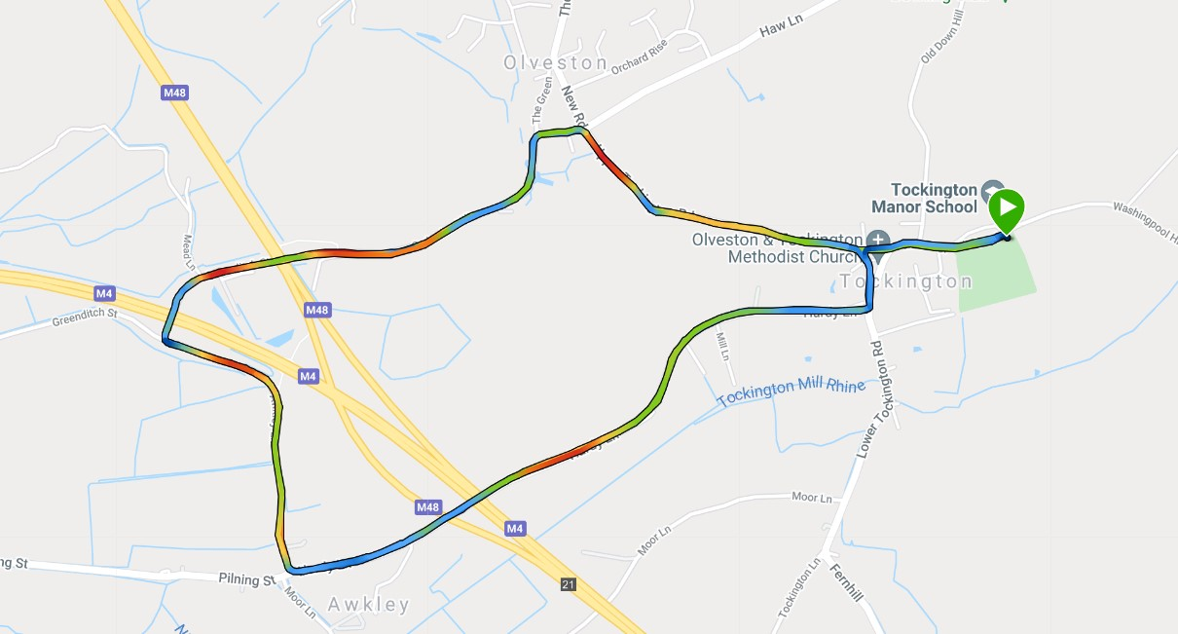

1
2
3
4
5
HAZARD IDENTIFICATION |  |  |  |  |  | Who is affected? |  | Level |  | RISK MITIGATION
ID# | Applies to which race? | mi/km from start | Symbol | Description of hazard/risk detail junction/road name/number |  | Competitors / Spectators / Marshals / Other Road Users |  | High / Medium / Low |  | Description of controls to reduce the risk to as low as possible e.g. briefing, signage, foot down point | Marshals | Signs
 |  |  |  |  |  |  |  |  |  |  | Number | Cycle Event | Direction Arrows
6
7
8
9
10
11
12
13
14
15
16
17
18
19
20

Transition
TRANSITION RISK ASSESSMENT

Transition Overview: provide a description of transition area or include a transition plan showing competitor flows, in/out gates and bike mount/dismount location

Detail general risks that apply to the transition area

HAZARD IDENTIFICATION | Who is affected? | Risk Level | RISK MITIGATION
Description of hazard/risk | Competitors / Marshals / Spectators | High / Medium / Low | Description of controls to reduce the risk to as low as reasonably practicable |  | Marshals
 |  |  |  |  | Number
Collision/congestion of competitors - flow of competitors through transition | Competitors, marshals | medium | TRANSITION is a single 30m bike rack (bar) with supports at 3m intervals and rubber mats under the feet of the supports to prevent any sinkage if the ground is soft - the bar is secured down with guy ropes at regular intervals (pegged under the bar itself so no trip hazard). The only area of significant risk is the field gateway where Roach Crossing team includes 2 traffic-watches and a marshal is stationed to ensure clear flow of athletes and compliance with mount/dismount line. Athletes exiting the swim and crossing the road to enter the field are marshalled to east side of gateway, riders exiting field with bike are marshalled to west side of gateway - gate width is 4m. When riders are returning to field after completing the cycle leg they are marshalled to east side of gateway and road-crossing marshals prevent any ingress by athletes exiting from the swim (in other words the STOP/GO sign will be switched to stop at these times, treating the incoming cyclist the same way as a car passing through - the athlete coming from the pool will be allowed to GO - to cross the road - once the cyclist has entered and dismounted). This arrangement ensures safe road crossing and no conflict between riders leaving/entering the field with bikes and those still coming in on foot from the swim. CONE to be stationed in the middle of the gateway to divide it so riders entering/exiting both have 2m width of gateway. |  | 1
Collision/congestion of competitors - entry and exit gates, mount and dismount lines | Competitors, marshals | medium | Marshaled by race director or a nominated experienced marshal. Ample signage including oversized cycle event signs alert traffic from both directions. Marshal makes riders wait before exiting if road not clear. Traffic on Washingpool Lane on a Sunday at 8.30-9.00am is minimal and generally speaking competitors are able to exit the field freely after mounting the bike. |  | 1
Cuts to feet, slips and trips - suitability of transition area surface | Competitors | low | large area on grass - checked by race director on race day for any hazards e.g. broken glass.
Collapse of transition racking damaging people/equipment | Competitors, marshals | low | no structures used other than 30m cycle rack which is Triathlon-specific and will be loaded with fewer bikes than the manufacturer recommends (5 per 3m section of bar). The bar is high quality steel and will be secured in place by guy ropes pegged/staked to the ground with webbing straps at regular intervals.
Theft of competitor possessions - security of transition area | Competitors | medium | Competitors warned in advance that the GO TRI event has not got a secure transtion area. Competitors encouraged to secure their bike in transition if concerned. Run course is entirely in view of bikes.
Unsuitable/illegal helmets/equipment being used by competitors | Competitors, marshals, spectators, other road users | low | To be checked on arrival at time of number pickup. Marshal at the cone at the bottom of the field will ensure helmets are on and CLIPPED UP as athletes pass and require any who have not done so to stop and correct.
Competitors not adhering to mount/dismount lines (where applicable) | Competitors, marshals, spectators, other road users | low | To be marshalled by an experienced marshal nominated by the race director (same marshal as exit gate see above). This marshal will ensure mount/dismount occurs at the appropriate place marked by mount/dismount sign and that riders leaving the field exit via the left hand half of the gateway.
Runners still on the run course to be kept separate from athletes in transition | Competitors | low | The run course is a rectangle with the transition area set away from this "loop" at the edge of the field. The run course is clearly signed and marshalled and athletes run from the transition area to the top of the field and turn left to begin 4-and-3-quarters laps of the loop course ending at the GO TRI flags which mark the finish line. There is a clear one-way flow through transition 1 from pool exit to bike racking and then on to the field gate which maintains a separate line from that used by the runners (see map on IMAGES tab). |  | 2

The typical things to take into account when risk assessing the transition area include:
• The gateways - are they wide enough to allow competitors to pass through without hindrance or colliding with others?
• The surface – is it free from debris, potholes etc., bearing in mind that in a triathlon competitors will be barefoot from the swim exit to the point at which they put on their cycle shoes
• Change of surface e.g. turning from tarmac path into a grass-based transition area – even in dry weather the water carried from the swim on wetsuits/costumes can quickly create slippery conditions
• For events taking place over several hours with competitors arriving to rack their bikes at different times the transition design should aim to eliminate or minimise the potential for new arrivals (or departing competitors) to cross the path of those actually competing
• Bike racking, where used, should be stable, well-spaced (to allow competitors to run freely, with and without bike, between rows) and of appropriate height for the competitors. Numbered racking/position, where competitors are designated a specific space, is highly recommended as it allows the transition area design to factor in “flow lines”
• Security of competitor’s possessions and separation from non-competitors

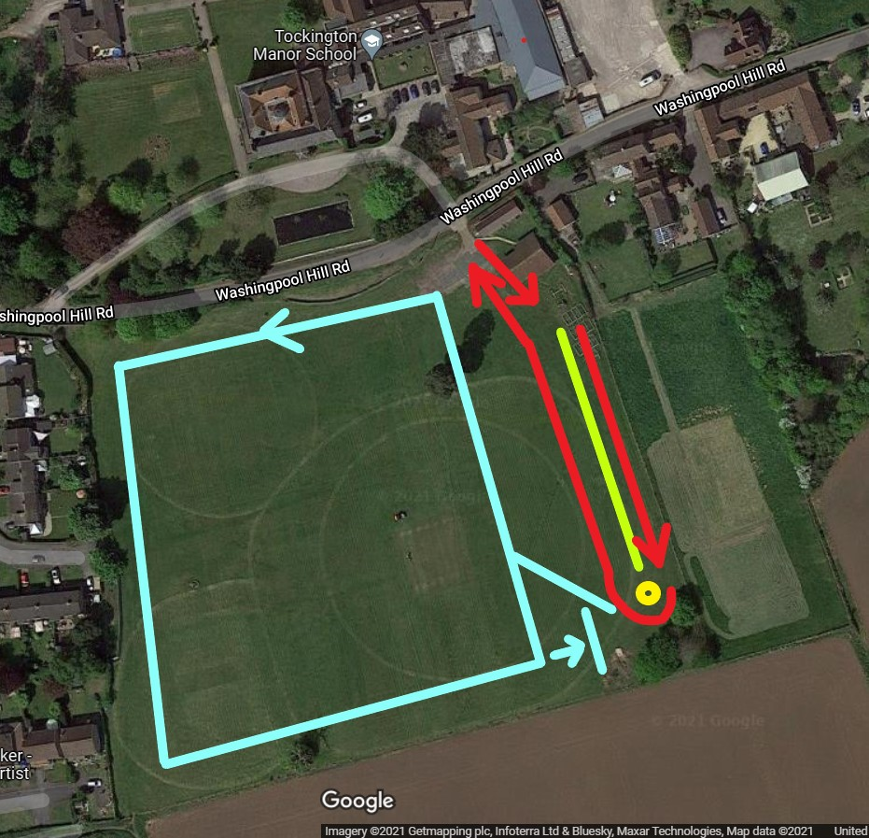

 |  |  |  | The Transition area is located in the playing field - the diagram is not to exact scale but shows the bike rack in yellow - athletes coming from the swim are directed to the left side of the bar and take bikes out of the rack from that side, then push them clockwise around the bike rack then back up to the gate to the mount line which is a few metres before the exit to the road. When re-entering the field for T2, athletes again proceed clockwise through transition, re-racking the bike from the same side they removed it from and then proceeding clockwise to join the run course which is shown in blue - 5 laps of the rectangle around the field. The west side of the bike rack is taped off with hazard tape to ensure un-racking and re-racking of bikes is all done from the east side.There are marshals at both ends of the bike rack plus the mount line and gateway to ensure safe exit/entry. The field gateway is divided into 2 with a cone & sign and cyclists exit/enter to the left of the cone to ensure no collisions in the gateway.

Images
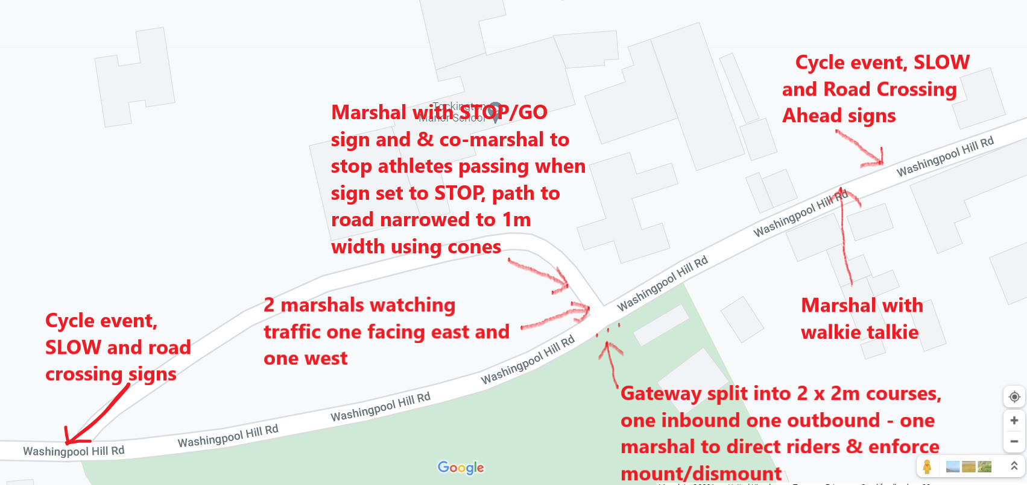
MAPS, PLANS AND PHOTOS

 | .
 | Map shows transition area and run leg - run course in blue is an anticlockwise loop around 4 cones with arrows also placed at regular intervals to help runners take the shortest line.
 | Yellow line = bike rack with cone at south end - bikes all retrieved from east side of rack then riders push bike down the field, around the cone then up to field exit. Runner replace bike also from the east side (right side on plan above) then run down around the cone and across to join run course heading up towards top (north) end of field before turning left to start the loop


    

