Cycle
CYCLE RISK ASSESSMENT

Complete both Section 1 (general hazards that apply to the whole cycle course) and Section 2 (route-specific hazards found along the cycle course)
British Triathlon Guide to Cycle Course Design for Events Taking Place on the Public Highway

Course Overview: provide a brief description of the cycle route(s) and link to route maps if available
Course is a single 15k loop from Tockington out towards Olveston, then through Pilning and back to Tockington. The route is based on quiet lanes and B roads with most turns being left turns - the two right turns are both marshalled. A turn by turn breakdown of the course is given lower down on this page.

Section 1 - Detail general hazard that apply to the whole cycle course

HAZARD IDENTIFICATION |  |  |  |  | Who is affected? |  | Risk Level |  | RISK MITIGATION
Description of hazard/risk |  |  |  |  | Competitors / Marshals / Spectators / Other Road Users |  | High / Medium / Low |  | Description of controls to reduce the risk to as low as reasonably practicable |  |  |  | Initials
Interaction with other users - vehicles, horse riders, pedestrians, non-event cyclists |  |  |  |  | Competitors, spectators, marshals, other road users |  | MEDIUM |  | All required agencies, landowners and stakeholders along route notified. Advance notification signage displayed as agencies require. Cycle course to be clearly signed for awareness of other road users. |  |  |  | GC
Road defects e.g. potholes, poor surface |  |  |  |  | Competitors |  | MEDIUM |  | Report defects to local highways for repair, provide additional warning signage, highlight with spray paint. COURSE CHECKED ON MORNING OF RACE AND ANY ISSUES DETAILED IN PRE RACE BRIEFING. |  |  |  | GC
Competitors unfamiliar with cycling regulations |  |  |  |  | Competitors, other road users |  | MEDIUM |  | Competitors to adhere to Highway Code/relevant traffic laws. Event run under British Triathlon Competition Rules. Links to information provided in advance. |  |  |  | GC
Competitors unfamiliar with route |  |  |  |  | Competitors |  | low |  | Cycle route to be made available to competitors in advance in Audax-style written instructions AND as GPX file - pre-race practice of the route is encouraged. Cycle course to be clearly signed for competitors and key points identified in pre-race briefing. 'Broom wagon' to follow last competitor home. |  |  |  | GC
Marshals on course |  |  |  |  | Competitors, marshals, other road users |  | low |  | Marshals to be briefed before being stationed on course. Marshals to wear hi-viz clothing and have radio/phone contact with event HQ. Marshals to be provided with whistles and flags where required. Marshals to only inform competitors and not instruct traffic unless permission received and appropriate qualification held, or in an emergency situation. |  |  |  | GC

Section 2 - Detail route specific hazards that are found along the cycle course (turn-by-turn risk assessment)

When risk assessing the cycle course the main hazards to consider include:
• Turns and junctions – right turns should be avoided as far as possible unless the road is closed to other traffic
• Blind bends, particularly on narrow roads where there is the potential for cyclists to stray onto the opposite carriageway should be avoided as far as possible
• All junctions, sharp bends, hill crests, bridges, traffic calming measures, roundabouts/mini-roundabouts, pedestrian crossings, traffic signals
• Hazards created by the position or movement of other road users (e.g. parked cars, the potential for a build up of traffic turning into a retail park or garden centre)
• Hazards caused by changes to the road surface or variations in the road surface e.g. raised manhole cover, potholes, gravel on corners
• Changes to road width
• Weather – either very cold (especially after pool swim) or very hot, leaf fall, soggy ground

Common safety measures to mitigate the risks posed by the above hazards are:
• Signage for both competitors and other road users, both on the day in advance of the event
• Marshals (possibly with whistle and/or red flag to highlight particular hazards) to interact with competitors only, unless holding the required qualifications to manage traffic
• Marking of potholes, sweep of gravel
• Foot-down point to bring competitors to a stop before proceeding
• Competitor pre-race information and briefing

HAZARD IDENTIFICATION |  |  |  |  |  | Who is affected? |  | Level |  | RISK MITIGATION
ID# | Applies to which race? | km from start | Symbol | Description of hazard detail junction/road name/number |  | Competitors / Spectators / Marshals / Other Road Users |  | High / Medium / Low |  | Description of controls to reduce the risk to as low as possible e.g. briefing, signage, foot down point | Marshals | Signs
 |  |  |  |  |  |  |  |  |  |  | Number | Cycle Event | Direction Arrows
1 |  | 0.00 |  | Left turn on road as riders exit the field via gateway. |  | Competitors and general public |  | Medium |  | Pre race briefing cautions riders not to take the bend "wide" and therefore to ensure they remain on left side of road as they exit having just mounted the bike. A Marshal will be present to oversee this turn and STOP riders exiting if it is unsafe. Oversize caution signs alert traffic from both directions. COVID-19 Adjustment - COVID-19 OFFICER to be stationed in a position where he can observe both Transition AND this gateway, to enforce 2m distancing while exiting the field on to the road. This is a potential point where riders could "bunch" and this will be higlighted in the briefing. | 1 | 3 | 0
2 |  | 0.30 |  | Straight on at Village Green |  | Competitors and general public |  | low |  | signage alerting approach from all directions, arrow for competitors |  | 2 | 1
3 |  | 1.10 |  | Left Turn ($Pilning 3½ ) |  | Competitors and general public |  | medium |  | important turn so 2 x arrows used to alert competitors, 1 on approach and one on junction. Signage to alert traffic approaching from all directions. THE SECTION FROM HERE TO 5.8KM MARK IS ON LANES - THIS TO BE MENTIONED IN BRIEFING SO THAT ALL COMPETITORS ARE AWARE OF THE NEED TO GIVE WAY TO ONCOMING TRAFFIC AND/OR STOP OR SLOW TO ALLOW IT TO PASS IF IT IS A WIDE VEHICLE. |  | 2 | 2
4 |  | 1.20 |  | Left Turn ($Awkley, Pilning) |  | Competitors and general public |  | low |  | Arrow for competitors, signage to alert traffic coming on to course. |  | 1 | 1
5 |  | 1.80 |  | Straight on |  | competitors |  | low |  | Arrow for competitors |  |  | 1
6 |  | 2.40 |  | Right Turn ($Pilning, Northwick) |  | Competitors and general public |  | medium |  | Marshalled & signed. Gravel collects on this junction so it will be swept by the marshal before race start. JUNCTION AHEAD sign 100m before turn. Riders cautioned in briefing about this junc. | 1 | 1 | 1
7 |  | 5.80 |  | Junction with B4055 Straight On |  | Competitors and general public |  | low |  | Arrow for competitors, signage to alert traffic coming on to course. |  | 1 | 1
8 |  | 6.50 |  | Right Fork ($Redwick, Severn Beach) |  | Competitors and general public |  | low |  | Arrow for competitors, signage to alert traffic coming on to course. |  | 1 | 1
9 |  | 6.70 |  | War memorial in Pilning Left Turn |  | Competitors and general public |  | low |  | Arrow for competitors, signage to alert traffic coming on to course. JUNCTION AHEAD sign 100m before turn. |  | 1 | 1
10 |  | 8.90 |  | Left Turn ($Pilning Station) |  | Competitors and general public |  | low |  | 2 x Arrows for competitors, signage to alert traffic coming on to course. |  | 2 | 1
11 |  | 10.20 |  | Junction by Plough pub Straight On |  | competitors |  | low |  | Arrow for competitors |  |  | 1
12 |  | 10.80 |  | Crossroads Straight On |  | competitors |  | low |  | Arrow for competitors |  |  | 1
13 |  | 13.80 |  | Crossroads Straight On |  | competitors |  | low |  | Arrow for competitors |  |  | 1
14 |  | 14.80 |  | Farm entrance Straight On |  | competitors |  | low |  | Arrow for competitors. To be mentioned in briefing - possibility of muck on road and vehicles exiting/entering. |  |  | 1
HAZARD IDENTIFICATION |  |  |  |  |  | Who is affected? |  | Level |  | RISK MITIGATION
ID# | Applies to which race? | mi/km from start | Symbol | Description of hazard/risk detail junction/road name/number |  | Competitors / Spectators / Marshals / Other Road Users |  | High / Medium / Low |  | Description of controls to reduce the risk to as low as possible e.g. briefing, signage, foot down point | Marshals | Signs
 |  |  |  |  |  |  |  |  |  |  | Number | Cycle Event | Direction Arrows
15 |  | 15.20 |  | T-Junction Left Turn |  | Competitors and general public |  | low |  | Arrow for competitors, signage to alert traffic coming on to course. JUNCTION AHEAD sign 100m before turn. |  | 1 | 1
16 |  | 15.40 |  | T-Junction Right Turn |  | Competitors and general public |  | Medium |  | Marshalled T junction at Tockington Green. | 1 | 1 | 1
17 |  | 15.60 |  | Entrance to field, followed immediately by dismount line. |  | Competitors and general public |  | Medium |  | Marshalled gateway. Preceded by "dismount in 200m" sign to prepare riders for slow approach to right turn into field, marshalled by race director or experienced marshal. | 1 | 1 | 1
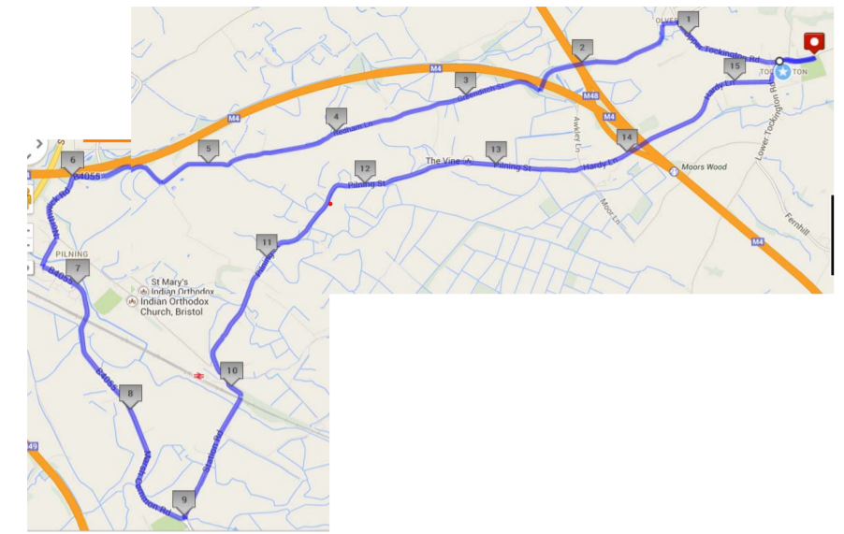
1
2
3
4
5
6
7
8
9
10
11
HAZARD IDENTIFICATION |  |  |  |  |  | Who is affected? |  | Level |  | RISK MITIGATION
ID# | Applies to which race? | mi/km from start | Symbol | Description of hazard/risk detail junction/road name/number |  | Competitors / Spectators / Marshals / Other Road Users |  | High / Medium / Low |  | Description of controls to reduce the risk to as low as possible e.g. briefing, signage, foot down point | Marshals | Signs
 |  |  |  |  |  |  |  |  |  |  | Number | Cycle Event | Direction Arrows
12
13
14
15
16
17
18
19
20
21
22
23
24
25
26

Images
MAPS, PLANS AND PHOTOS

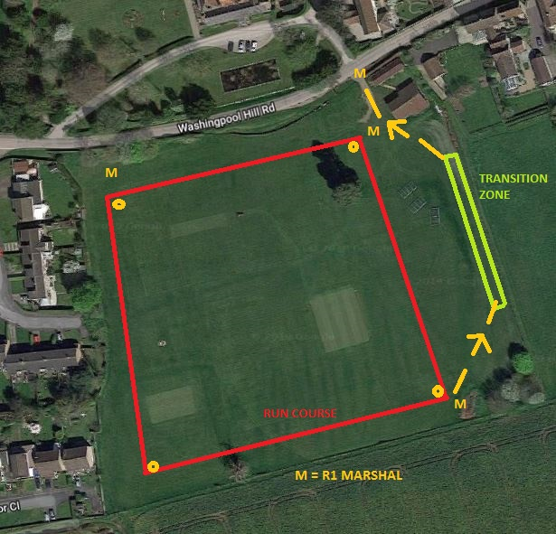

 | Map shows first run leg - run course in red is an anticlockwise loop around 4 cones with arrows also placed at regular intervals to help runners take the shortest line.
 | Marshals are stationed as shown directing runners to take the left hand bend at the cone near the pavilion maintaining a separation from competitors wheeling bikes towards the gate where another marshal manages the exit on to the road.
 | The queue for the time-trial start will be along the bottom edge of the field as shown on the plan. The staging area for runners waiting to join the queue is in the area by the red text "RUN COURSE".

 | The second run leg is simply the above reversed so returning cyclists wheel their bikes back to the area at the fence then run down to the start line (bottom right corner of the field) to start their 3 anticlockwise laps. At no point are runners and exiting/returning cyclists on the same ground.
 |  | (

